Birthday
 | Name of the Month | No. of Birthdays
 | January | 115
 | February | 200
 | March | 180
 | April | 160
 | May | 180
 | June | 230
 | July | 170
 | Total No. of Birthdays | 1235
 | Highest No. of Birthdays | 230
 | Lowest No. of Birthdays | 115
 | Average No. of Birthdays | 176.42857143

Instructions

1 | Calculate Total, Highest, Lowest & Average No. of Birthdays.

2 | Insert a Scatter Chart for the data given in the Cell Range B2:C9' & Move in the New Sheet.

3 | Modify the Scatter Chart to look like the below given chart. Rename the chart as 'Scatter Chart'.
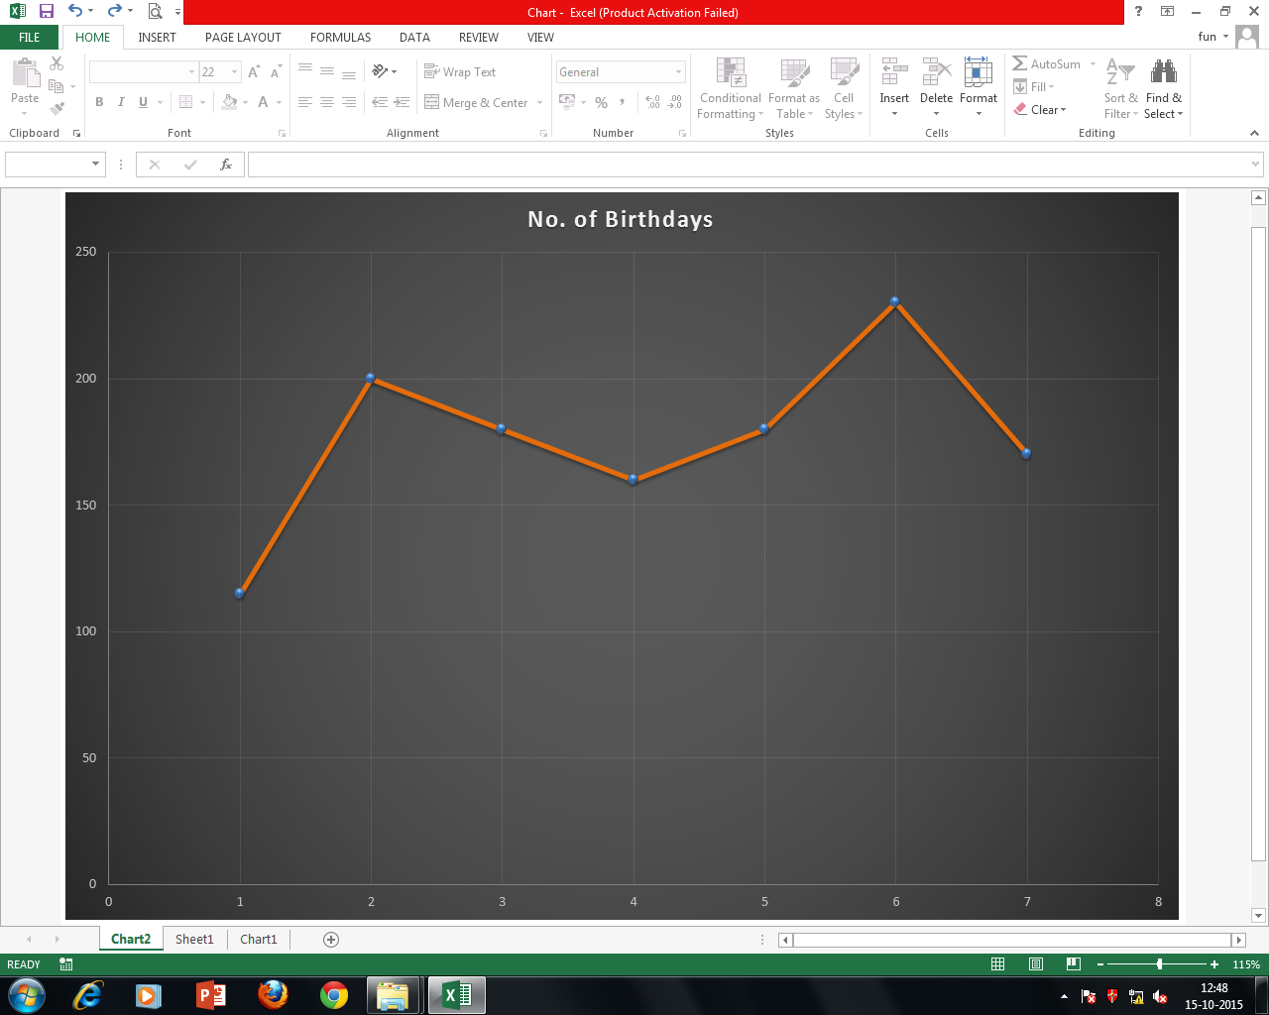
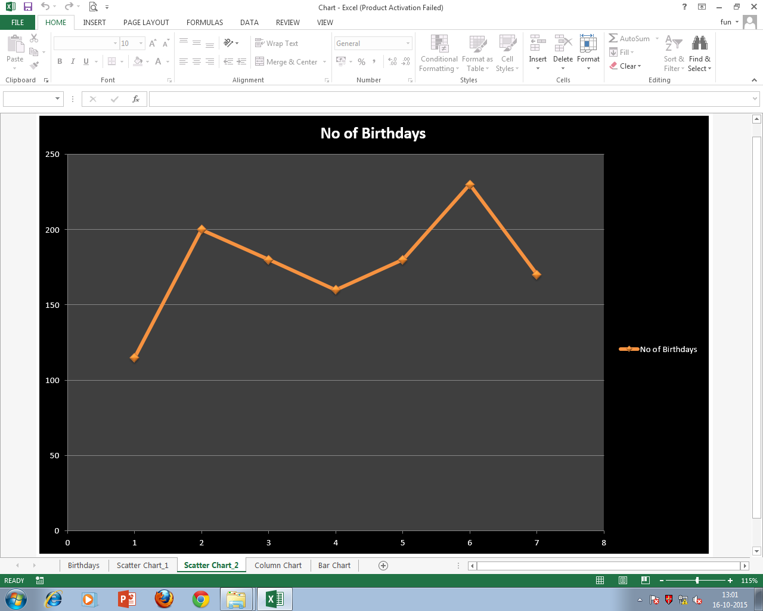

4 | Insert a Column Chart for the given data in the 'Cell Range B2:C9' & Move in the New Sheet. Rename the chart as 'Column Chart'. Modify the Column Chart to look like the below given chart. (Use Picture 1 & Picture 2 from the given Folder.)
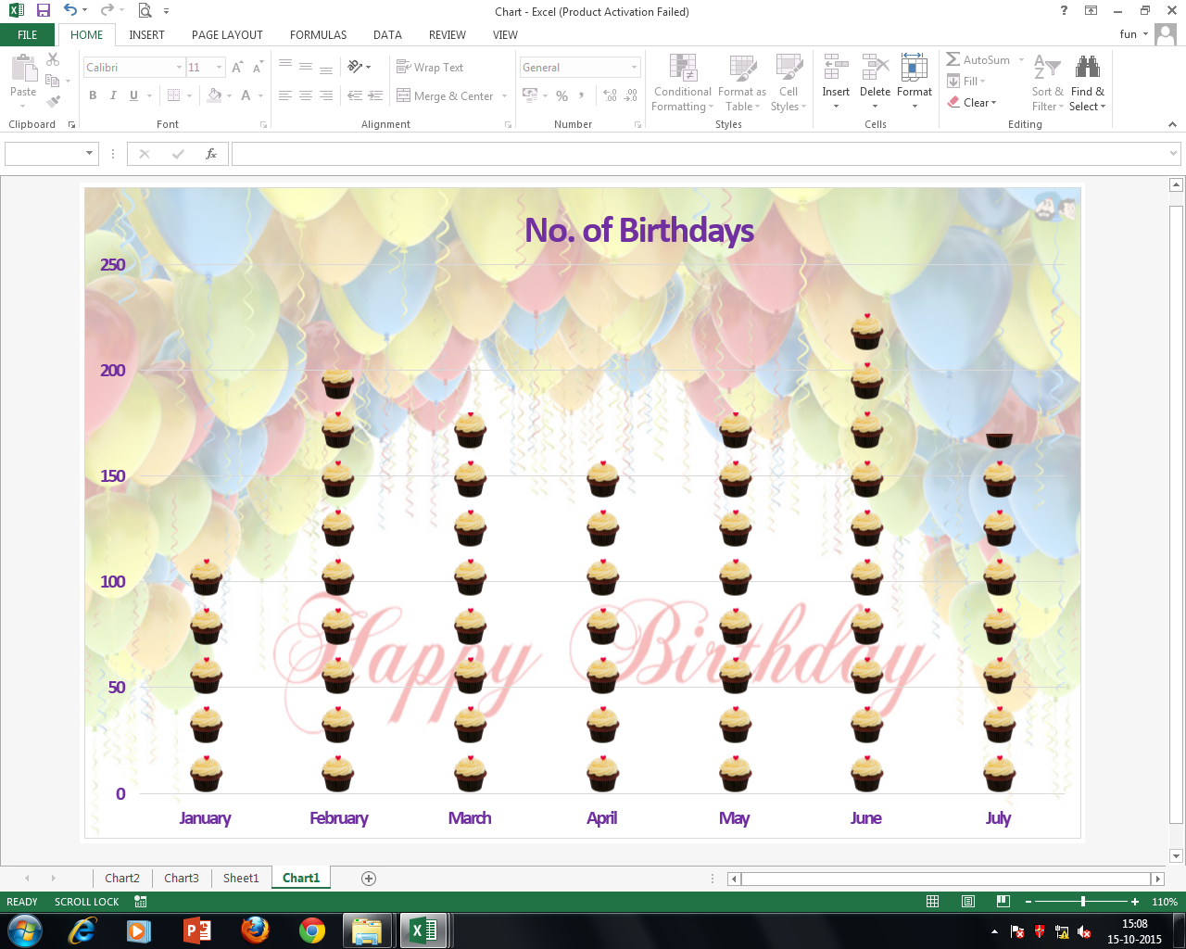

5 | Insert a Bar Chart for the given data in the 'Cell Range B2:C9' & Move in the New Sheet. Rename the chart as 'Bar Chart'. Modify the Bar Chart to look like the below given chart. (Use Picture 3 to Picture 9 from the given Folder.)
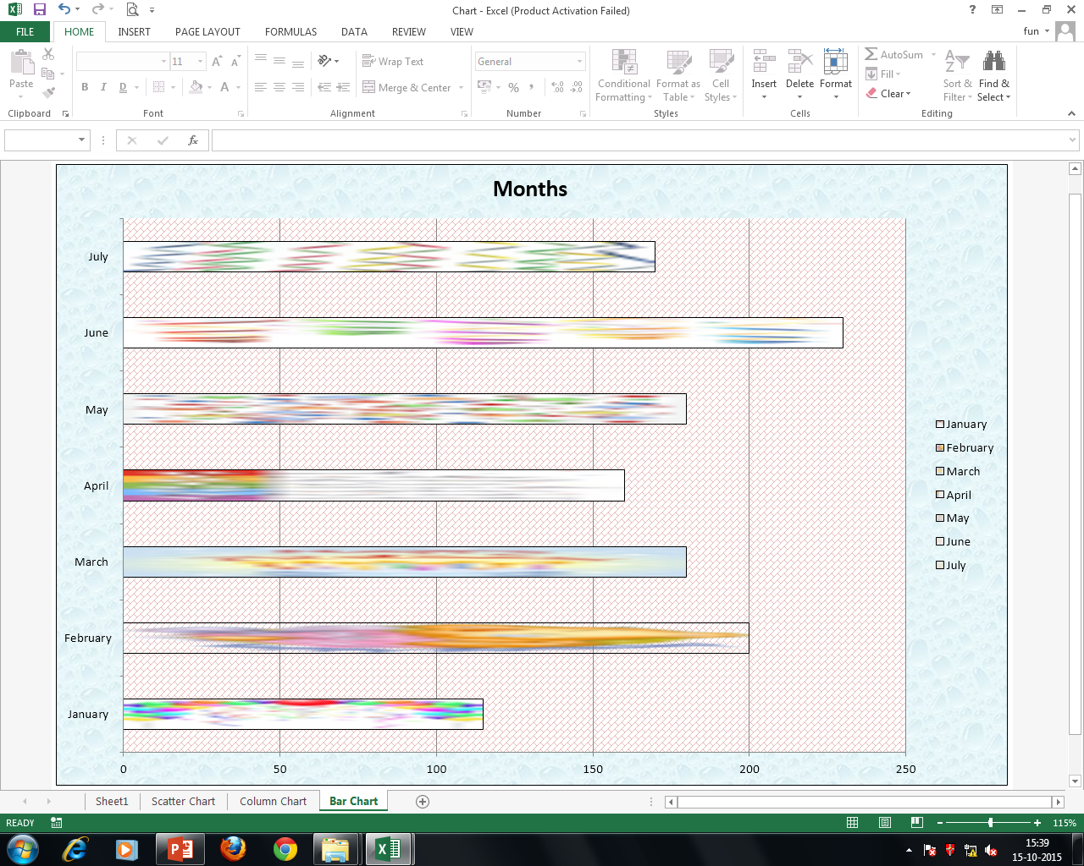

6 | Save the Workbook.

Scatter Chart
 | No. of Birthdays
January | 115
February | 200
March | 180
April | 160
May | 180
June | 230
July | 170

Scatter chart 2
 | No. of Birthdays
January | 115
February | 200
March | 180
April | 160
May | 180
June | 230
July | 170

Scatter chart 3
 | No. of Birthdays
January | 115
February | 200
March | 180
April | 160
May | 180
June | 230
July | 170

Chart5
 | No. of Birthdays
January | 115
February | 200
March | 180
April | 160
May | 180
June | 230
July | 170

